1. About Services
About Translation and Interpretation Services

Ready by Five funded programs will be eligible to request interpretation and translation services and the cost will be covered by Ready by Five Millage funding. (See Tab 3)

Prior to requesting services, programs must indicate their intent to use services with First Steps Kent by registering, at minimum, one Designated Contact for each program. (See Tab 2)
First Steps Kent will maintain a current list of eligible programs, including the name of each agency, program, and the authorized Designated Contact who may request services for an individual/family.
Additions and updates must be submitted by the 20th of the month. List is updated by the 25th of each month.

All Translation and Interpretation Service Providers will be required to track the eligibility of agencies requesting service against this list of eligible agencies prior to submitting an invoice to First Steps Kent. (See Tab 2)
Translation and Interpretation Service Providers may only invoice for eligible programs included on this list.
Translation and Interpretation agencies must have authorization from a program's Designated Contact to serve an individual/family.

All Ready by Five programs utilizing services must track specific information about services used as defined on the Program Tracking Sheet. (See Tab 4)
The Program Tracking Sheet must be submitted to First Steps Kent by the 7th of each month.

Note: As of 4/25/21 Designated Contacts are not required to submit estimated start and end times on the tracking sheet.

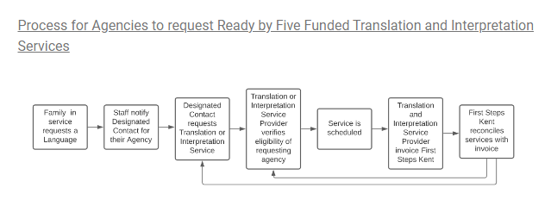

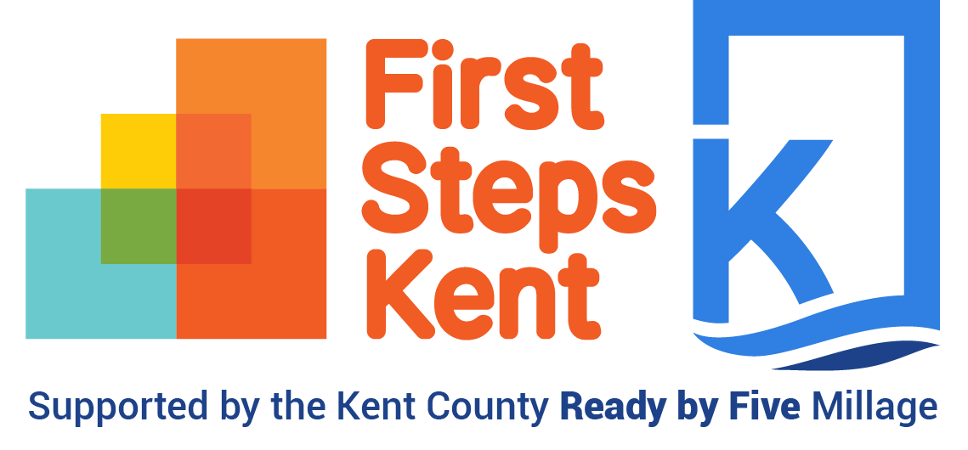

updated | 2024-01-30

